Sheet1
 |  |  | 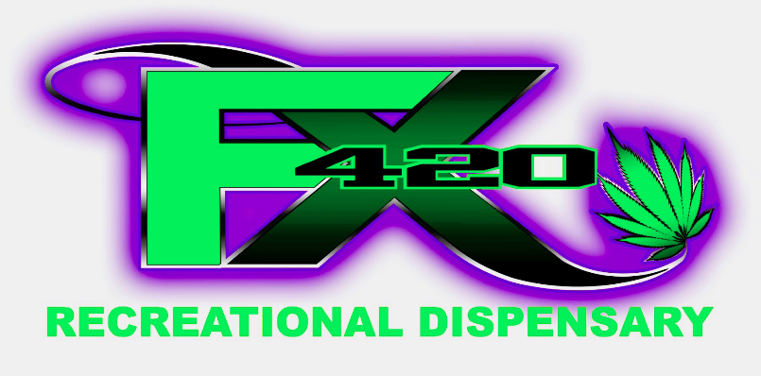 FX420

Strain: | Cost Per Gram | THC | CBD | Strain: | Cost Per Gram | THC | CBD
OG18 | $3 | 20.11 % | 0.04 % | Jack & Cheese | $8 | 16.67 % | 0.05 %
Zkittlez | $4 | 22.47 % | 0 % | Big Smooth | $8 | 21.90 % | 0.14 %
Blue Dream | $4 | 25.00 % | 0 % | Mendo Breath | $8 | 23.48 % | 0.05 %
Lemon G | $4 | 13.04 % | 9.62 % | Lezberado | $8 | 20.26 % | 0 %
The Mountain | $4 | 20.70 % | 0.08 % | Snowman Cookies | $10 | 23.05 % | 0 %
Powder Puff | $5 | 20.44 % | 0.07 % | Strawberry Banana | $10 | 28.40 % | 0.16 %
Lavender | $5 | 14.90 % | 0 % | Ogre | $10 | 27.40 % | 0.08 %
Kosh Dawg | $5 | 18.84 % | 0 % | Poison Sunset | $10 | 26.60 % | 0.06 %
Powder Puff | $5 | 20.44 % | 0.07 % | Cookies & Cream | $10 | 25.48 % | 0 %
Harambe's Hope | $6 | 20.32 % | 0.04 % | Black Diamond | $10 | 23.01 % | 0 %
Orange ACDC | $5 | 9.20 % | 18.10 % | Afgoo | $10 | 22.72 % | 0 %
Grape Cheesecake | $6 | 7.19 % | 13.10 % | Junior Mints | $10 | 25.00 % | 0 %
Mega Jackpot | $6 | 16.11 % | 0.05 % | Black Jack | $10 | 26.12 % | 0 %
Green Goddess | $6 | 16.97 % | 0.05 % | Yesterdays Paper | $10 | 24.09 % | 0 %
Banana Split | $8 | 17.09 % | 0 % | White 99 | $10 | 27.83 % | 0.05 %
Adak | $8 | 22.50 % | 0.06 % | Sweet Thang #7 | $10 | 18.51 % | 0 %
CBD Nordle | $8 | 7.79 % | 12.22 % | Hawaiian Punch | $12 | 34.7 % | 0 %
Dosido | $8 | 21.90 % | 0.04 % | J1 | $12 | 29.80 % | 0.09 %
key Lime Pie | $8 | 18.35 % | 0 %
Grape Valley Kush | $8 | 26.90 % | 0.06 %

 |  |  |  | Green -- Hybrid
Green -- Hybrid |  |  |  | Red - - Sativa
Red - - Sativa |  |  |  | Blue -- Indica
Blue -- Indica |  |  |  | Orange -- CBD Heavy Hybrid
Orange -- CBD Heavy Hybrid
Stock and prices subject to change at any time.

